DESIGN SHEET
WOMENS PUFFER VEST DESIGN DETAIL | #776

© 2015. 776BC INTERNATIONAL PTY LTD - 232 YORK STREET, SOUTH MELBOURNE
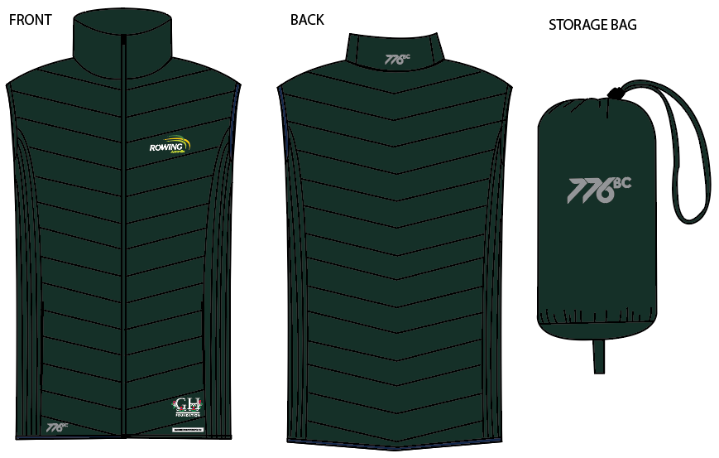 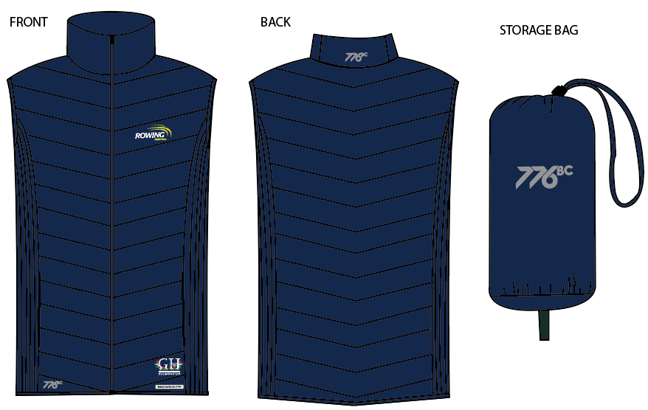 | 2017-01-04 |  |  |  | COLOURWAYS
 | BODY/TRIM DETAILS: | DETAILS: | POSITION DETAIL: | QTY: | C1- GREEN | C2- NAVY
 | BODY FABRIC | using SOTL072-R01 Main fabric | BODY | NA | PANTONE 5535C | PANTONE 2767C
 | BINDING | As per mens puffer vest sample | CUFF, HEM | NA | PANTONE 5535C | PANTONE 2767C
 | THREAD | As per mens puffer vest sample | ALL OVER | NA | D.T.M PANTONE 5535C | D.T.M PANTONE 2767C
 | CENTRE FRONT ZIP | As per mens puffer vest sample | CENTRE FRONT | X1 | D.T.M PANTONE 5535C | PANTONE 2767C
 | PRINT 1 | SILVER REFLECTIVE PRINT - AS PER ARTSHEET | RIGHT SIDE PANEL ABOVE HEM & CB COLLAR | X2 | AS PER ART SHEET | AS PER ART SHEET
 | PRINT 2 | THIN PLASTISOL INK- AS PER ART SHEET | FRONT LEFT CHEST AS PER ART SHEET | X1 | AS PER ART SHEET | AS PER ART SHEET
 | PRINT 3 | THIN PLASTISOL INK- AS PER ART SHEET | LEFT ARM ABOVE CUFF AS PER ART SHEET | X1 | AS PER ART SHEET | AS PER ART SHEET
 | FRONT POCKET BAG LINING | SELF FABRIC | FRONT POCKETS AS PER SAMPLE | X2 | PANTONE 5535C | PANTONE 2767C
C1- GREEN
 | ZIP ON POCKETS | As per mens puffer vest sample- Invisible zips | FRONT POCKETS | x2 | D.T.M PANTONE 5535C | PANTONE 2767C

C2-NAVY

ORIGINAL SAMPLE BEING SENT FOR REFERENCE - SAMPLE IS A SIZE SMALL- FIT ALL AS PER SAMPLE (ONLY DIFFERENCE IS WADDING STITCH PATTERN OF FRONT AND BACK AND NO HOOD)

WOMENS PUFFER VEST SPEC
WOMENS PUFFER VEST SPEC DETAILS |  |  |  |  |  |  |  |  |  |  | #776
© 2015. 776BC INTERNATIONAL PTY LTD - 232 YORK STREET, SOUTH MELBOURNE
SEASON: | RA 2017 | DATE: |  | 2017-01-04 |  |  |  |  |  | WOMENS PUFFER JACKET RA
STYLE NUMBER: | #776 | SAMPLE SIZE: |  | Small
DESCRIPTION: | WOMENS PUFFER VEST
PROPORTIONAL GRADING RULES |  |  |  |  |  |  |  |  |  | 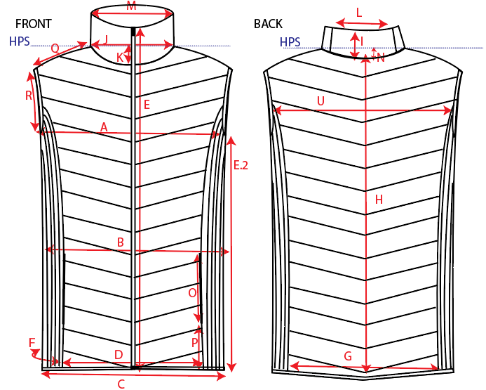
POINT | PATTERN MEASUREMENT (CM) |  | GRADE RULE
 |  |  |  | XS | S | M | L | XL | XXL
A | CHEST CIRC 1/2 |  |  |  | 46.0
B | WAIST CIRC 1/2 (15cm below armhole) |  |  |  | 44.5
C | HEM CIRC 1/2 |  |  |  | 51.5
D | FRONT PANEL WIDTH ALONG SEAM |  |  |  | 35.0
E | GARMENT LENGTH CF |  |  |  | 58.0
E.2 | SIDE SEAM LENGTH- FROM ARMHOLE POINT TO HEM EDGE |  |  |  | 36.0
F | SIDE PANEL WIDTH |  |  |  | 16.0
G | BACK PANEL WIDTH |  |  |  | 31.0
H | CENTRE BACK GARMENT LEGTH |  |  |  | 60
I | COLLAR HEIGHT |  |  |  | 8
J | NECK WIDTH 1/2 |  |  |  | 23
K | FRONT NECK DROP |  |  |  | 5.5
L | COLLAR PANEL LENGTH |  |  |  | 12
M | TOP EDGE OF COLLAR CIRC 1/2 |  |  |  | 20
N | BACK NECK DROP |  |  |  | 4
O | POCKET LENGTH |  |  |  | 14.0
P | POCKET DISTANCE FROM HEM EDGE |  |  |  | 10.0
Q | SHOULDER LENGTH |  |  |  | 8.5
R | ARMHOLE CIRC 1/2 |  |  |  | 30.5
S | BINDING WIDTH |  | 0.0 |  | 1.0
T | DISTANCE BETWEEN WADDING STITCHES |  | 0.0 |  | 6.0
U | HIGHT BACK WIDTH (13CM BEOW HPS) EDGE TO EDGE |  |  |  | 31.0
V | SIDE PANEL DISTANCE BETWEEN WADDING STITCHES |  | 0.0 |  | 2.5

FABRIC DETAILS: | SOTL072-R01 Main fabric
THREAD DETAILS: | As per mens puffer sample
TRIM DETAILS: | ZIP Quality all as per MENS Fleece sample. Solid No logo zip heads.
CARE LABEL DETAILS: | TBA when fabric approved

